Template
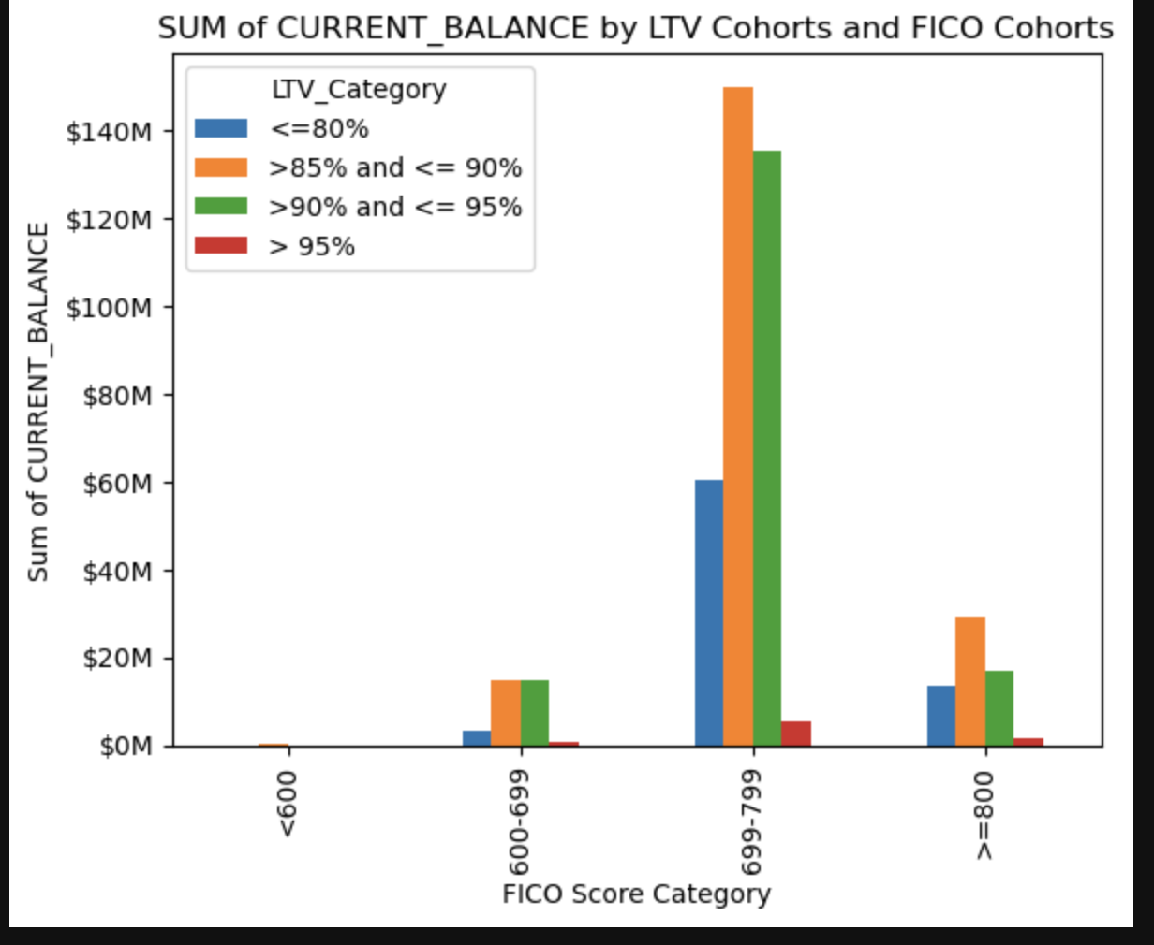
REPORT 1: Data by Lender Institution Type
Institution Types | Loan Count | Average Current Balance | Max Current Balance | Min Current Balance
Bank Owned Mortgage Company - National | 187 | $242,899.80 | $720,000.00 | $43,225.00
Community Banks | 499 | $211,839.96 | $729,750.00 | $28,500.00
Credit Unions | 374 | $175,149.60 | $578,250.00 | $22,500.00
Mortgage Banker - (Large) | 279 | $260,374.38 | $729,750.00 | $59,000.00
Mortgage Banker - Bank Owned | 661 | $236,262.69 | $625,500.00 | $25,018.00
Total | 2000 | $222,725.22 | $729,750.00 | $22,500.00

REPORT 2: Data by LTV (Loan to Value) Cohorts
Loan to Value Cohorts | Loan Count | Average Current Balance | Max Current Balance | Min Current Balance
<= 85% | 344 | $223,985.91 | $729,750.00 | $43,300.00
>85% and <= 90% | 823 | $235,966.18 | $729,750.00 | $22,500.00
>90% and <= 95% | 796 | $209,504.34 | $561,700.00 | $28,500.00
> 95% | 37 | $200,910.19 | $371,510.00 | $65,475.00
Total | 2000 | $222,725.22 | $729,750.00 | $22,500.00

REPORT 3: Data by Loan Age Cohort (Loan Age = 6/1/2013 minus LOAN_ORIG_DATE in months)
Loan Age Cohorts | Loan Count | Average Current Balance | Max Current Balance | Min Current Balance
Unknown | 16 | $256,425.31 | $404,700.00 | $88,065.00
0 - 9 Months | 242 | $233,615.67 | $562,500.00 | $45,000.00
10 - 19 Months | 724 | $229,611.95 | $720,000.00 | $25,018.00
20 - 29 Months | 564 | $216,680.79 | $729,750.00 | $22,500.00
30 - 39 Months | 268 | $204,076.17 | $546,376.00 | $41,705.00
>= 40 Months | 186 | $224,049.58 | $729,750.00 | $35,000.00
Total | 2000 | $222,725.22 | $729,750.00 | $22,500.00

REPORT 4: Create a Crosstab Report- SUM of CURRENT_UPB by LTV Cohorts and FICO Cohorts
 | <= 85% | >85% and <= 90% | >90% and <= 95% | > 95%
< 600 | $- | $247,050.00 | $- | $-
600 - 699 | $3,260,490.00 | $14,606,019.00 | $14,598,016.00 | $629,990.00
700 - 799 | $60,413,630.00 | $149,979,009.00 | $135,188,314.00 | $5,359,114.00
>= 800 | $13,377,034.00 | $29,368,087.00 | $16,979,121.00 | $1,444,573.00

REPORT 5: Create a bar graph in your statistical program of Report 4: SUM of CURRENT_UPB by LTV Cohorts and FICO Cohorts and paste an image below.

